HARDWARE2
MASTER TOOLS PRICE LIST
PICTURE | PART NO | DESCRIPTION | GROUP | CATEGORY
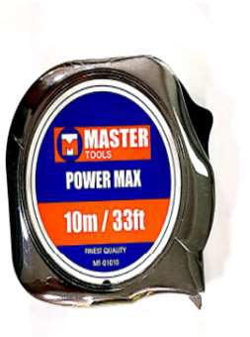 | MT-01003 | Chrome Finish MEASURING TAPE 3 MTR | MASTER TOOLS | MEASURING TAPE
 | MT-01013 | Chrome Finish MEASURING TAPE 3M | MASTER TOOLS | MEASURING TAPE
 | MT-01005 | Chrome Finish MEASURING TAPE 5 MTR | MASTER TOOLS | MEASURING TAPE
 | MT-01025 | Chrome Finish MEASURING TAPE 5 M X 25MM | MASTER TOOLS | MEASURING TAPE
 | MT-01015 | Chrome Finish MEASURING TAPE 5M | MASTER TOOLS | MEASURING TAPE
 | MT-01027 | Chrome Finish MEASURING TAPE 7.5 M X 25MM | MASTER TOOLS | MEASURING TAPE
 | MT-01075 | Chrome Finish MEASURING TAPE 7.5 MTR | MASTER TOOLS | MEASURING TAPE
 | MT-01030 | Chrome Finish MEASURING TAPE 10 M X 25MM | MASTER TOOLS | MEASURING TAPE
 | MT-01010 | Chrome Finish MEASURING TAPE 10 MTR | MASTER TOOLS | MEASURING TAPE
 | MT-01203 | Rubber MEASURING TAPE 3 MTR | MASTER TOOLS | MEASURING TAPE
 | MT-01205 | Rubber MEASURING TAPE 5 MTR | MASTER TOOLS | MEASURING TAPE
 | MT-01275 | Rubber MEASURING TAPE 7.5 MTR | MASTER TOOLS | MEASURING TAPE
 | MT-01303 | ABS MEASURING TAPE 3 MTR | MASTER TOOLS | MEASURING TAPE
 | MT-01305 | ABS MEASURING TAPE 5 MTR | MASTER TOOLS | MEASURING TAPE
 | MT-01375 | ABS MEASURING TAPE 7.5 MTR | MASTER TOOLS | MEASURING TAPE
 | MT-01702 | MEASURING TAPE 2 MTR (KEY CHAIN) | MASTER TOOLS | MEASURING TAPE
 | MT-01905 | DIAMETER TAPE 2M | MASTER TOOLS | MEASURING TAPE
 | MT-01615 | Measuring Tape LONG STEEL 15M | MASTER TOOLS | MEASURING TAPE
 | MT-01630 | Measuring Tape LONG STEEL 30M | MASTER TOOLS | MEASURING TAPE
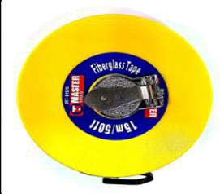 | MT-01510 | Measuring Tape FIBERGLASS 10MTR | MASTER TOOLS | MEASURING TAPE
 | MT-01515 | Measuring Tape FIBERGLASS 15MTR | MASTER TOOLS | MEASURING TAPE
 | MT-01520 | Measuring Tape FIBERGLASS 20MTR | MASTER TOOLS | MEASURING TAPE
 | MT-01530 | Measuring Tape FIBERGLASS 30MTR | MASTER TOOLS | MEASURING TAPE
 | MT-01550 | Measuring Tape FIBERGLASS 50MTR | MASTER TOOLS | MEASURING TAPE
 | MT-01430 | Measuring Tape FIBERGLASS (OPEN) 30MTR | MASTER TOOLS | MEASURING TAPE
 | MT-01450 | Measuring Tape FIBERGLASS (OPEN) 50MTR | MASTER TOOLS | MEASURING TAPE
 | MT-01400 | Measuring Tape FIBERGLASS (OPEN) 100MTR | MASTER TOOLS | MEASURING TAPE
 | MT-01915 | OIL M TAPE 15 MTRS | MASTER TOOLS | MEASURING TAPE
 | MT-01920 | OIL M TAPE 20 MTRS | MASTER TOOLS | MEASURING TAPE
 | MT-01925 | OIL M TAPE 25 MTRS | MASTER TOOLS | MEASURING TAPE
 | MT-01930 | OIL M TAPE 30 MTRS | MASTER TOOLS | MEASURING TAPE
 | MT-01900 | DIPPING WEIGHT BOB 0.7KG | MASTER TOOLS | MEASURING TAPE
 | MT-01801 | MEASURING WHEEL 12.6" DIA | MASTER TOOLS | MEASURING TAPE
 | MT-11030 | CHALK LINE REEL (30M) | MASTER TOOLS | CHALK LINE
 | MT-11130 | CHALK LINE REELSET - (BLUE) | MASTER TOOLS | CHALK LINE
 | MT-11230 | CHALK LINE REEL SET - (RED) | MASTER TOOLS | CHALK LINE
 | MT-11300 | CHALK LINE POWDER (BLUE 4 OZ) | MASTER TOOLS | CHALK LINE
 | MT-11305 | CHALK LINE POWDER (RED 4 OZ) | MASTER TOOLS | CHALK LINE
 | MT-04006 | COMBINATION PLIER 160MM | MASTER TOOLS | CUTTER PLIER
 | MT-04007 | COMBINATION PLIER 180MM | MASTER TOOLS | CUTTER PLIER
 | MT-04008 | COMBINATION PLIER 200MM | MASTER TOOLS | CUTTER PLIER
 | MT-04106 | LONG NOSE PLIER 160MM | MASTER TOOLS | CUTTER PLIER
 | MT-04108 | LONG NOSE PLIER 200MM | MASTER TOOLS | CUTTER PLIER
 | MT-04206 | DIAGONAL CUTTER 160MM | MASTER TOOLS | CUTTER PLIER
 | MT-04207 | DIAGONAL CUTTER 180MM | MASTER TOOLS | CUTTER PLIER
 | MT-04126 | BEND NOSE PLIER 160MM | MASTER TOOLS | CUTTER PLIER
 | MT-04128 | BEND NOSE PLIER 200MM | MASTER TOOLS | CUTTER PLIER
 | MT-04136 | FLAT NOSE PLIER 160MM | MASTER TOOLS | CUTTER PLIER
 | MT-04506 | WIRE STRIPPER 160MM | MASTER TOOLS | CUTTER PLIER
 | MT-04406 | END NIPPER PLIER 160MM | MASTER TOOLS | CUTTER PLIER
 | MT-04408 | END NIPPER PLIER 200MM | MASTER TOOLS | CUTTER PLIER
 | MT-03206 | CABLE CUTTER 6" | MASTER TOOLS | CUTTER PLIER
 | MT-03210 | CABLE CUTTER HD 9 1/2" | MASTER TOOLS | CUTTER PLIER
 | MT-04306 | SLIP JOINT PLIER 160MM | MASTER TOOLS | CUTTER PLIER
 | MT-04308 | SLIP JOINT PLIER 200MM | MASTER TOOLS | CUTTER PLIER
 | MT-04808 | GROOVE JOINT PLIER 200MM | MASTER TOOLS | CUTTER PLIER
 | MT-04810 | GROOVE JOINT PLIER 250MM | MASTER TOOLS | CUTTER PLIER
 | MT-04765 | GROOVE JOINT PLIER 6.5" | MASTER TOOLS | CUTTER PLIER
 | MT-04708 | GROOVE JOINT PLIER 8" | MASTER TOOLS | CUTTER PLIER
 | MT-04710 | GROOVE JOINT PLIER 10" | MASTER TOOLS | CUTTER PLIER
 | MT-04712 | GROOVE JOINT PLIER 12" | MASTER TOOLS | CUTTER PLIER
 | MT-04716 | GROOVE JOINT PLIER 16" | MASTER TOOLS | CUTTER PLIER
 | MT-04822 | WATER PUMP PLIER 10" | MASTER TOOLS | CUTTER PLIER
 | MT-04823 | WATER PUMP PLIER 12" | MASTER TOOLS | CUTTER PLIER
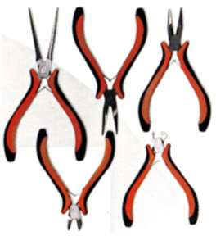 | MT-04900 | MINI NEEDLE NOSE PLIER 120MM | MASTER TOOLS | CUTTER PLIER
 | MT-04901 | MINI COMBINATION PLIER 120MM | MASTER TOOLS | CUTTER PLIER
 | MT-04902 | MINI BENT NOSE PLIER 120MM | MASTER TOOLS | CUTTER PLIER
 | MT-04903 | MINI LONG NOSE PLIER 120MM | MASTER TOOLS | CUTTER PLIER
 | MT-04904 | MINI SIDE CUTTING PLIER 120MM | MASTER TOOLS | CUTTER PLIER
 | MT-04905 | MINI FLAT NOSE PLIER 120MM | MASTER TOOLS | CUTTER PLIER
 | MT-04906 | MINI END CUTTING PLIER 120MM | MASTER TOOLS | CUTTER PLIER
 | MT-04801 | SNAP RING PLIER SET | MASTER TOOLS | CUTTER PLIER
 | MT-04603 | PLIER SET (3 PCS) | MASTER TOOLS | CUTTER PLIER
 | MT-04017 | LINESMAN PLIER 180MM (DH) | MASTER TOOLS | CUTTER PLIER
 | MT-04018 | LINESMAN PLIER 200MM (DH) | MASTER TOOLS | CUTTER PLIER
 | MT-04009 | LINESMAN PLIER 225MM (DH) | MASTER TOOLS | CUTTER PLIER
 | MT-04116 | LONG NOSE PLIER 160MM (DH) | MASTER TOOLS | CUTTER PLIER
 | MT-04118 | LONG NOSE PLIER 200MM | MASTER TOOLS | CUTTER PLIER
 | MT-04220 | HEAVY DUTY SIDE CUTTING PLIER 200MM (DH) | MASTER TOOLS | CUTTER PLIER
 | MT-04225 | HEAVY DUTY SIDE CUTTING PLIER 250MM (DH) | MASTER TOOLS | CUTTER PLIER
 | MT-04216 | DIAGONAL CUTTING PLIER 160MM (DH) | MASTER TOOLS | CUTTER PLIER
 | MT-04218 | DIAGONAL CUTTING PLIER 180MM (DH) | MASTER TOOLS | CUTTER PLIER
 | MT-04802 | EXTERNAL SNAP RING PLIER 180MM (DH) | MASTER TOOLS | CUTTER PLIER
 | MT-04803 | INTERNAL SNAP RING PLIER 180MM (DH) | MASTER TOOLS | CUTTER PLIER
 | MT-04231 | PLASTIC CUTTING PLIER 5" | MASTER TOOLS | CUTTER PLIER
 | MT-04232 | PLASTIC CUTTING PLIER 6" | MASTER TOOLS | CUTTER PLIER
 | MT-04507 | WIRE STRIPPER | MASTER TOOLS | CUTTER PLIER
 | MT-04508 | WIRE STRIPPER 160MM | MASTER TOOLS | CUTTER PLIER
 | MT-04510 | CRIMPING PLIER 8" | MASTER TOOLS | CUTTER PLIER
 | MT-04968 | TOWER PINCER 200MM (DH) | MASTER TOOLS | CUTTER PLIER
 | MT-04969 | TOWER PINCER 9" (DH) | MASTER TOOLS | CUTTER PLIER
 | MT-04982C | CARPENTER PINCER 8" | MASTER TOOLS | CUTTER PLIER
 | MT-04983C | CARPENTER PINCER 10" | MASTER TOOLS | CUTTER PLIER
 | MT-04972 | PINCER 150 MM | MASTER TOOLS | CUTTER PLIER
 | MT-04974 | PINCER 200 MM | MASTER TOOLS | CUTTER PLIER
 | MT-04975 | PINCER 250MM (ITALY) | MASTER TOOLS | CUTTER PLIER
 | MT-04026 | VDE COMBINATION PLIER 160MM | MASTER TOOLS | CUTTER PLIER
 | MT-04027 | VDE COMBINATION PLIER 180MM | MASTER TOOLS | CUTTER PLIER
 | MT-04028 | VDE COMBINATION PLIER 200MM | MASTER TOOLS | CUTTER PLIER
 | MT-04146 | VDE SIDE CUTTING PLIER 160MM | MASTER TOOLS | CUTTER PLIER
 | MT-04000 | VDE CABLE CUTTER 160MM | MASTER TOOLS | CUTTER PLIER
 | MT-04156 | VDE FLAT NOSE PLIER 160MM | MASTER TOOLS | CUTTER PLIER
 | MT-04226 | VDE LONG NOSE PLIER 160MM | MASTER TOOLS | CUTTER PLIER
 | MT-04148 | VDE LONG NOSE PLIER 200MM | MASTER TOOLS | CUTTER PLIER
 | MT-04166 | VDE BEND NOSE PLIER 160MM | MASTER TOOLS | CUTTER PLIER
 | MT-04168 | VDE BEND NOSE PLIER 200MM | MASTER TOOLS | CUTTER PLIER
 | MT-04228 | VDE DIAGONAL CUTTER 200MM | MASTER TOOLS | CUTTER PLIER
 | MT-04516 | VDE WIRE STRIPPER PLIER 160MM | MASTER TOOLS | CUTTER PLIER
 | MT-04910 | VDE WATER PUMP PLIER 250MM | MASTER TOOLS | CUTTER PLIER
 | MT-03108 | TIN SNIP 8" | MASTER TOOLS | CUTTER PLIER
 | MT-03110 | TIN SNIP 10" | MASTER TOOLS | CUTTER PLIER
 | MT-03112 | TIN SNIP 12" | MASTER TOOLS | CUTTER PLIER
 | MT-03114 | TIN SNIP 14" | MASTER TOOLS | CUTTER PLIER
 | MT-03308 | ALL PURPOSE SNIP 8" | MASTER TOOLS | CUTTER PLIER
 | MT-03310 | ALL PURPOSE SNIP 10" | MASTER TOOLS | CUTTER PLIER
 | MT-03312 | ALL PURPOSE SNIP 12" | MASTER TOOLS | CUTTER PLIER
 | MT-03001 | AVIATION SNIP STRAIGHT CUT | MASTER TOOLS | CUTTER PLIER
 | MT-03004 | AVIATION SNIP STRAIGHT CUT (CN) | MASTER TOOLS | CUTTER PLIER
 | MT-03007 | AVIATION SNIP STRAIGHT CUT | MASTER TOOLS | CUTTER PLIER
 | MT-03002 | AVIATION SNIP LEFT CUT | MASTER TOOLS | CUTTER PLIER
 | MT-03008 | AVIATION SNIP LEFT CUT | MASTER TOOLS | CUTTER PLIER
 | MT-03003 | AVIATION SNIP RIGHT CUT (TW) | MASTER TOOLS | CUTTER PLIER
 | MT-03009 | AVIATION SNIP RIGHT CUT | MASTER TOOLS | CUTTER PLIER
 | MT-03010 | AVIATION SNIP LONG CUT | MASTER TOOLS | CUTTER PLIER
 | MT-02017 | SNAP-OFF KNIFE 9MM (ZINC BODY) SPRING LOADED | MASTER TOOLS | KNIFE
 | MT-02018 | SNAP-OFF KNIFE 18MM (ZINC BODY) SPRING LOADED | MASTER TOOLS | KNIFE
 | MT-02011 | SNAP-OFF KNIFE 9MM (AL BODY) | MASTER TOOLS | KNIFE
 | MT-02012 | SNAP-OFF KNIFE 18MM (AL BODY) | MASTER TOOLS | KNIFE
 | MT-02014 | SNAP-OFF KNIFE 9MM (PLASTIC+RUBBER BODY) | MASTER TOOLS | KNIFE
 | MT-02015 | SNAP-OFF KNIFE 18MM (PLASTIC+RUBBER BODY) | MASTER TOOLS | KNIFE
 | MT-02016 | SNAP-OFF KNIFE 25MM (PLASTIC+RUBBER BODY) | MASTER TOOLS | KNIFE
 | MT-02000 | RETRACTABLE UTILITY KNIFE USA | MASTER TOOLS | KNIFE
 | MT-02001 | RETRACTABLE UTILITY KNIFE UK | MASTER TOOLS | KNIFE
 | MT-02005 | SELF RETRACTING KNIFE | MASTER TOOLS | KNIFE
 | MT-02101 | KNIFE BLADE HD (1.25% CS) | MASTER TOOLS | KNIFE
 | MT-02200 | KNIFE BLADE HD (10x10) | MASTER TOOLS | KNIFE
 | MT-02202 | KNIFE BLADE HD HOOK TYPE | MASTER TOOLS | KNIFE
 | MT-02100 | KNIFE BLADE HD (1% CS) | MASTER TOOLS | KNIFE
 | MT-02409 | SNAPPY KNIFE BLADE 9MM (100PCS) | MASTER TOOLS | KNIFE
 | MT-02418 | SNAPPY KNIFE BLADE 18MM (100PCS) | MASTER TOOLS | KNIFE
 | MT-02425 | SNAPPY KNIFE BLADE 25MM (10 PCS) | MASTER TOOLS | KNIFE
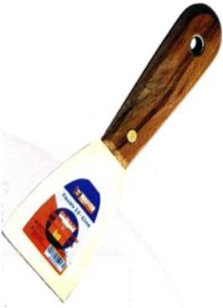 | MT-26011 | PUTTY KNIFE 1" (WH) | MASTER TOOLS | KNIFE
 | MT-26012 | PUTTY KNIFE 1.5" (WH) | MASTER TOOLS | KNIFE
 | MT-26013 | PUTTY KNIFE 2" (WH) | MASTER TOOLS | KNIFE
 | MT-26014 | PUTTY KNIFE 2.5" (WH) | MASTER TOOLS | KNIFE
 | MT-26015 | PUTTY KNIFE 3" (WH) | MASTER TOOLS | KNIFE
 | MT-26016 | PUTTY KNIFE 4" (WH) | MASTER TOOLS | KNIFE
 | MT-26017 | PUTTY KNIFE 5" (WH) | MASTER TOOLS | KNIFE
 | MT-26018 | PUTTY KNIFE 6" (WH) | MASTER TOOLS | KNIFE
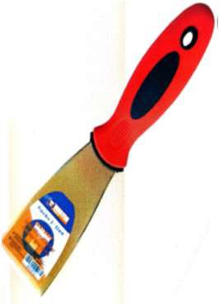 | MT-26001 | PUTTY KNIFE 1" | MASTER TOOLS | KNIFE
 | MT-26002 | PUTTY KNIFE 1.5" | MASTER TOOLS | KNIFE
 | MT-26003 | PUTTY KNIFE 2" | MASTER TOOLS | KNIFE
 | MT-26004 | PUTTY KNIFE 2.5" | MASTER TOOLS | KNIFE
 | MT-26005 | PUTTY KNIFE 3" | MASTER TOOLS | KNIFE
 | MT-26006 | PUTTY KNIFE 4" | MASTER TOOLS | KNIFE
 | MT-26007 | PUTTY KNIFE 5" | MASTER TOOLS | KNIFE
 | MT-26008 | PUTTY KNIFE 6" | MASTER TOOLS | KNIFE
 | MT-17005 | WINDOW SCRAPPER | MASTER TOOLS | SCRAPPER
 | MT-02501 | RAZOR BLADE 100 PCS | MASTER TOOLS | KNIFE
 | MT-17006 | METAL SCRAPER | MASTER TOOLS | SCRAPPER
 | MT-10286 | INSULATED SCREWDRIVER PH 0x60MM | MASTER TOOLS | SCREW DRIVER
 | MT-10287 | INSULATED SCREWDRIVER PH 1x75MM | MASTER TOOLS | SCREW DRIVER
 | MT-10288 | INSULATED SCREWDRIVER PH 2x100MM | MASTER TOOLS | SCREW DRIVER
 | MT-10281 | INSULATED SCREWDRIVER 3.0x75MM | MASTER TOOLS | SCREW DRIVER
 | MT-10282 | INSULATED SCREWDRIVER 4x100MM | MASTER TOOLS | SCREW DRIVER
 | MT-10283 | INSULATED SCREWDRIVER 5.5x125MM | MASTER TOOLS | SCREW DRIVER
 | MT-10132 | SCREW DRIVER PH 2 X 100 | MASTER TOOLS | SCREW DRIVER
 | MT-10134 | SCREW DRIVER PH 2 X 150 | MASTER TOOLS | SCREW DRIVER
 | MT-10135 | SCREW DRIVER PH 2 X 200 | MASTER TOOLS | SCREW DRIVER
 | MT-10136 | SCREW DRIVER PH 2 X 250 | MASTER TOOLS | SCREW DRIVER
 | MT-10032 | SCREW DRIVER FLAT 6.5 X 100 | MASTER TOOLS | SCREW DRIVER
 | MT-10024 | SCREW DRIVER FLAT 6.5x150 | MASTER TOOLS | SCREW DRIVER
 | MT-10035 | SCREW DRIVER FLAT 6.5 X 200 | MASTER TOOLS | SCREW DRIVER
 | MT-10036 | SCREW DRIVER FLAT 6.5 X 250 | MASTER TOOLS | SCREW DRIVER
 | MT-10052 | SCREWDRIVER PH 6.5x100 (PVC) | MASTER TOOLS | SCREW DRIVER
 | MT-10053 | SCREWDRIVER PH 6.5x125 (PVC) | MASTER TOOLS | SCREW DRIVER
 | MT-10054 | SCREWDRIVER PH 6.5x150 (PVC) | MASTER TOOLS | SCREW DRIVER
 | MT-10152 | SCREWDRIVER PH 2x100 (PVC) | MASTER TOOLS | SCREW DRIVER
 | MT-10153 | SCREWDRIVER PH 2x125 (PVC) | MASTER TOOLS | SCREW DRIVER
 | MT-10154 | SCREWDRIVER PH 2x150 (PVC) | MASTER TOOLS | SCREW DRIVER
 | MT-10001 | SCREW DRIVER FLAT 3x75 | MASTER TOOLS | SCREW DRIVER
 | MT-10003 | SCREW DRIVER FLAT 3x100 | MASTER TOOLS | SCREW DRIVER
 | MT-10004 | SCREW DRIVER FLAT 3x150 | MASTER TOOLS | SCREW DRIVER
 | MT-10010 | SCREW DRIVER FLAT 5.5x38 | MASTER TOOLS | SCREW DRIVER
 | MT-10011 | SCREW DRIVER FLAT 5.5x75 | MASTER TOOLS | SCREW DRIVER
 | MT-10012 | SCREW DRIVER FLAT 5.5x125 | MASTER TOOLS | SCREW DRIVER
 | MT-10013 | SCREW DRIVER FLAT 5.5x150 | MASTER TOOLS | SCREW DRIVER
 | MT-10021 | SCREW DRIVER FLAT 6.5x38 | MASTER TOOLS | SCREW DRIVER
 | MT-10022 | SCREW DRIVER FLAT 6.5x100 | MASTER TOOLS | SCREW DRIVER
 | MT-10023 | SCREW DRIVER FLAT 6.5x125 | MASTER TOOLS | SCREW DRIVER
 | MT-10024 | SCREW DRIVER FLAT 6.5x150 | MASTER TOOLS | SCREW DRIVER
 | MT-10025 | SCREW DRIVER FLAT 6.5x200 | MASTER TOOLS | SCREW DRIVER
 | MT-10026 | SCREW DRIVER FLAT 6.5x250 | MASTER TOOLS | SCREW DRIVER
 | MT-10027 | SCREW DRIVER FLAT 6.5x300 | MASTER TOOLS | SCREW DRIVER
 | MT-10030 | SCREW DRIVER FLAT 8x300 | MASTER TOOLS | SCREW DRIVER
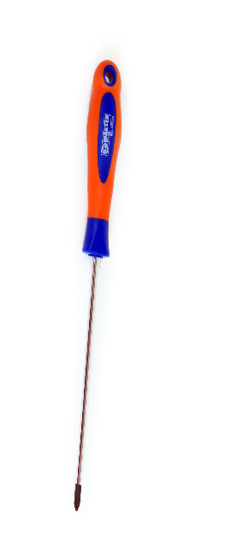 | MT-10100 | SCREW DRIVER PH 0x75 | MASTER TOOLS | SCREW DRIVER
 | MT-10101 | SCREW DRIVER PH 0x100 | MASTER TOOLS | SCREW DRIVER
 | MT-10110 | SCREW DRIVER PH 1x38 | MASTER TOOLS | SCREW DRIVER
 | MT-10111 | SCREW DRIVER PH 1x75 | MASTER TOOLS | SCREW DRIVER
 | MT-10112 | SCREW DRIVER PH 1x100 | MASTER TOOLS | SCREW DRIVER
 | MT-10113 | SCREW DRIVER PH 1x125 | MASTER TOOLS | SCREW DRIVER
 | MT-10121 | SCREW DRIVER PH 2x38 | MASTER TOOLS | SCREW DRIVER
 | MT-10122 | SCREW DRIVER PH 2 x 100 | MASTER TOOLS | SCREW DRIVER
 | MT-10123 | SCREW DRIVER PH 2x125 | MASTER TOOLS | SCREW DRIVER
 | MT-10124 | SCREW DRIVER PH 2 x 150 | MASTER TOOLS | SCREW DRIVER
 | MT-10125 | SCREW DRIVER PH 2x200 | MASTER TOOLS | SCREW DRIVER
 | MT-10126 | SCREW DRIVER PH 2x250 | MASTER TOOLS | SCREW DRIVER
 | MT-10127 | SCREW DRIVER PH 2x300 | MASTER TOOLS | SCREW DRIVER
 | MT-10130 | SCREW DRIVER PH 3x300 | MASTER TOOLS | SCREW DRIVER
 | MT-10401 | TORX SCREW DRIVER T 6x100 | MASTER TOOLS | SCREW DRIVER
 | MT-10403 | TORX SCREW DRIVER T 10x100 | MASTER TOOLS | SCREW DRIVER
 | MT-10404 | TORX SCREW DRIVER T 15x100 | MASTER TOOLS | SCREW DRIVER
 | MT-10405 | TORX SCREW DRIVER T 20x100 | MASTER TOOLS | SCREW DRIVER
 | MT-10406 | TORX SCREW DRIVER T 25x100 | MASTER TOOLS | SCREW DRIVER
 | MT-10407 | TORX SCREW DRIVER T 27x100 | MASTER TOOLS | SCREW DRIVER
 | MT-10408 | TORX SCREW DRIVER T 30x100 | MASTER TOOLS | SCREW DRIVER
 | MT-10409 | TORX SCREW DRIVER T 40x100 | MASTER TOOLS | SCREW DRIVER
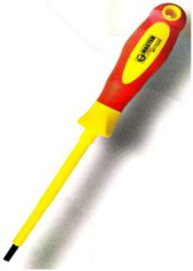 | MT-10230 | SCREW DRIVER VDE 2.5x75 | MASTER TOOLS | SCREW DRIVER
 | MT-10231 | SCREW DRIVER VDE 2.5x100 | MASTER TOOLS | SCREW DRIVER
 | MT-10240 | SCREW DRIVER VDE 4x100 | MASTER TOOLS | SCREW DRIVER
 | MT-10250 | SCREW DRIVER VDE 5.5x125 | MASTER TOOLS | SCREW DRIVER
 | MT-10260 | SCREW DRIVER VDE 6.5x150 | MASTER TOOLS | SCREW DRIVER
 | MT-10270 | SCREW DRIVER VDE 8x175 | MASTER TOOLS | SCREW DRIVER
 | MT-10200 | SCREW DRIVER VDE PH 0x75 | MASTER TOOLS | SCREW DRIVER
 | MT-10210 | SCREW DRIVER VDE PH 1x80 | MASTER TOOLS | SCREW DRIVER
 | MT-10211 | SCREW DRIVER VDE PH 1x100 | MASTER TOOLS | SCREW DRIVER
 | MT-10220 | SCREW DRIVER VDE PH 2x100 | MASTER TOOLS | SCREW DRIVER
 | MT-10042 | DEMOLITION SCREWDRIVER 6x100MM | MASTER TOOLS | SCREW DRIVER
 | MT-10044 | DEMOLITION SCREWDRIVER 6x150MM | MASTER TOOLS | SCREW DRIVER
 | MT-10045 | DEMOLITION SCREWDRIVER 6x200MM | MASTER TOOLS | SCREW DRIVER
 | MT-10142 | DEMOLITION SCREWDRIVER PH 2x100MM | MASTER TOOLS | SCREW DRIVER
 | MT-10144 | DEMOLITION SCREWDRIVER PH 2x150MM | MASTER TOOLS | SCREW DRIVER
 | MT-10145 | DEMOLITION SCREWDRIVER PH 2x200MM | MASTER TOOLS | SCREW DRIVER
 | MT-10950 | SCREW DRIVER 2 IN 1 | MASTER TOOLS | SCREW DRIVER
 | MT-10951 | SCREW DRIVER 4 IN 1 | MASTER TOOLS | SCREW DRIVER
 | MT-10930 | RATCHET SCREW DRIVER SET (11PCS) | MASTER TOOLS | SCREW DRIVER
 | MT-10940 | SCREW DRIVER WITH MAGNET HOLDER (10 BITS) | MASTER TOOLS | SCREW DRIVER
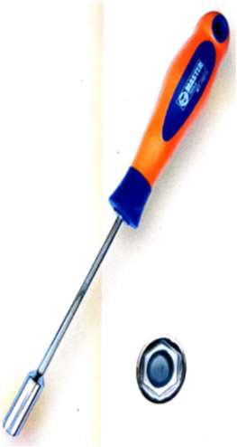 | MT-10501 | NUT DRIVER 1/4x5" | MASTER TOOLS | SCREW DRIVER
 | MT-10510 | NUT DRIVER 5x125 | MASTER TOOLS | SCREW DRIVER
 | MT-10511 | NUT DRIVER 6x125 | MASTER TOOLS | SCREW DRIVER
 | MT-10512 | NUT DRIVER 7x125 | MASTER TOOLS | SCREW DRIVER
 | MT-10513 | NUT DRIVER 8x125 | MASTER TOOLS | SCREW DRIVER
 | MT-10514 | NUT DRIVER 9X125 | MASTER TOOLS | SCREW DRIVER
 | MT-10515 | NUT DRIVER 10x125 | MASTER TOOLS | SCREW DRIVER
 | MT-10517 | NUT DRIVER 12x125 | MASTER TOOLS | SCREW DRIVER
 | MT-10518 | NUT DRIVER 13X125 | MASTER TOOLS | SCREW DRIVER
 | MT-10910 | SCREW DRIVER SET VDE 7PCS | MASTER TOOLS | SCREW DRIVER
 | MT-10900 | SCREW DRIVER SET 7PCS | MASTER TOOLS | SCREW DRIVER
 | MT-10966 | NUT SCREW DRIVER 6PCS SET | MASTER TOOLS | SCREW DRIVER
 | MT-10970 | TORX TAMPER SCREW DRIVER 8 PCS SET | MASTER TOOLS | SCREW DRIVER
 | MT-10901 | SCREW DRIVER SET 6 PCS | MASTER TOOLS | SCREW DRIVER
 | MT-10975 | INSULATED CUSHION GRIP SCREWDRIVER 7PCS | MASTER TOOLS | SCREW DRIVER
 | MT-10963 | SCREW DRIVER SET PRECISION 7 PCS (DBL SIDED) | MASTER TOOLS | SCREW DRIVER
 | MT-10973 | TORX SCREW DRIVER SET 5 PCS | MASTER TOOLS | SCREW DRIVER
 | MT-10960 | PRECISION SCREWDRIVER SET | MASTER TOOLS | SCREW DRIVER
 | MT-10955 | PICK HOOK 4 PCS SET | MASTER TOOLS | SCREW DRIVER
 | MT-10360 | MULTIFUNCTION VOLTAGE TESTER | MASTER TOOLS | TESTER
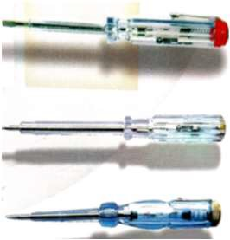 | MT-10350 | TESTER VOLTAGE 140MM (TW) | MASTER TOOLS | TESTER
 | MT-10351 | TESTER VOLTAGE 190MM (TW) | MASTER TOOLS | TESTER
 | MT-10355 | TESTER VOLTAGE 145MM (CN) | MASTER TOOLS | TESTER
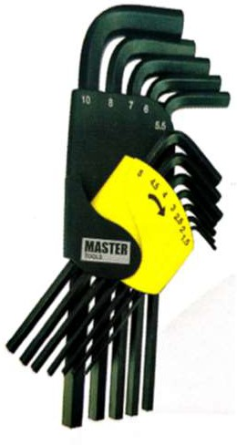 | MT-13000 | HEX KEY SET METRIC 8PCS (1.5 - 6 MM) | MASTER TOOLS | HEX KEY
 | MT-13001 | HEX KEY SET METRIC 9PCS (1.5 - 10 MM) | MASTER TOOLS | HEX KEY
 | MT-13002 | HEX KEY SET METRIC 10PCS (1.5 - 10MM) | MASTER TOOLS | HEX KEY
 | MT-13003 | HEX KEY SET METRIC 12PCS (1.5 - 10MM) | MASTER TOOLS | HEX KEY
 | MT-13011 | HEX KEY SET METRIC 12PCS (1.5-10MM) LG | MASTER TOOLS | HEX KEY
 | MT-13016 | HEX KEY SET METRIC 12PCS (1.5-10MM) B/P | MASTER TOOLS | HEX KEY
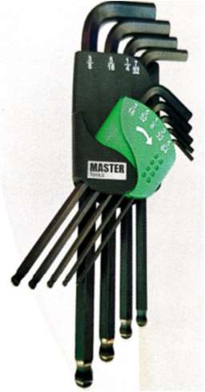 | MT-13006 | HEX KEY SET INCH 8 PCS (1/16 - 1/4") | MASTER TOOLS | HEX KEY
 | MT-13007 | HEX KEY SET INCH 9 PCS (5/64 - 3/8") | MASTER TOOLS | HEX KEY
 | MT-13008 | HEX KEY SET INCH 10 PCS (1/16 - 3/8") | MASTER TOOLS | HEX KEY
 | MT-13009 | HEX KEY SET INCH 13 PCS (0.05 - 3/8") | MASTER TOOLS | HEX KEY
 | MT-13013 | HEX KEY SET INCH 13 PCS (0.05 - 3/8") LG | MASTER TOOLS | HEX KEY
 | MT-13017 | HEX KEY SET INCH 9 PCS (5/64 - 3/8") B/P | MASTER TOOLS | HEX KEY
 | MT-13020 | HEX KEY SET TORX 12PCS (T7,T8,T9,T10,T15,T20,T25,T27,T30,T30,T40,T4 5,T50) LG | MASTER TOOLS | HEX KEY
 | MT-13040 | HEX KEY SET METRIC FOLDING 8PCS (1.5,2,2.5,3,4,5,6,8MM) | MASTER TOOLS | HEX KEY
 | MT-13041 | HEX KEY SET INCH FOLDING 9PCS (5/64,3/32,7/64,1/8,9/64,5/32,3/16,7/32,1/4") | MASTER TOOLS | HEX KEY
 | MT-13045 | HEX KEY SET TORX FOLDING 8PCS (T9,T10,T15,T20,T25,T27,T30,T40) | MASTER TOOLS | HEX KEY
 | MT-13060 | HEX KEY SET METRIC + INCH + TORX FOLDING 25PCS | MASTER TOOLS | HEX KEY
 | MT-13059 | HEX KEY SET METRIC + INCH FOLDING 17PCS (1.5-8, 5/64-1/4") | MASTER TOOLS | HEX KEY
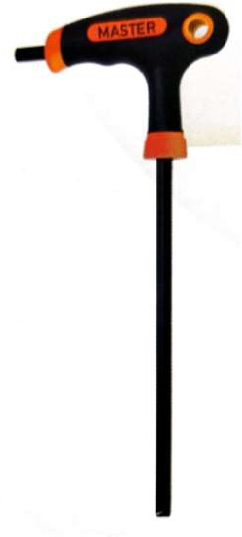 | MT-13202 | HEX KEY T-HANDLE 2MM | MASTER TOOLS | HEX KEY
 | MT-13203 | HEX KEY T-HANDLE 2.5MM | MASTER TOOLS | HEX KEY
 | MT-13204 | HEX KEY T-HANDLE 3MM | MASTER TOOLS | HEX KEY
 | MT-13205 | HEX KEY T-HANDLE 4MM | MASTER TOOLS | HEX KEY
 | MT-13206 | HEX KEY T-HANDLE 4.5MM | MASTER TOOLS | HEX KEY
 | MT-13207 | HEX KEY T-HANDLE 5MM | MASTER TOOLS | HEX KEY
 | MT-13208 | HEX KEY T-HANDLE 5.5MM | MASTER TOOLS | HEX KEY
 | MT-13209 | HEX KEY T-HANDLE 6MM | MASTER TOOLS | HEX KEY
 | MT-13211 | HEX KEY T-HANDLE 8MM | MASTER TOOLS | HEX KEY
 | MT-13213 | HEX KEY T-HANDLE 10MM | MASTER TOOLS | HEX KEY
 | MT-04990 | TOOL KIT 7 PCS | MASTER TOOLS | HEX KEY
 | MT-04991 | TOOL KIT 14 PCS | MASTER TOOLS | HEX KEY
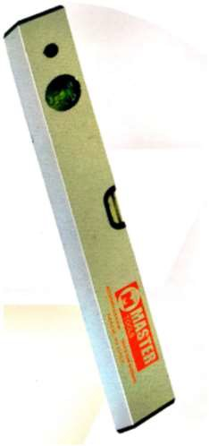 | MT-05001 | SPIRIT LEVEL 30CM | MASTER TOOLS | SPIRIT LEVEL
 | MT-05003 | SPIRIT LEVEL 45CM | MASTER TOOLS | SPIRIT LEVEL
 | MT-05005 | SPIRIT LEVEL 60CM | MASTER TOOLS | SPIRIT LEVEL
 | MT-05007 | SPIRIT LEVEL 90CM | MASTER TOOLS | SPIRIT LEVEL
 | MT-05008 | SPIRIT LEVEL 100CM | MASTER TOOLS | SPIRIT LEVEL
 | MT-05009 | SPIRIT LEVEL 120CM | MASTER TOOLS | SPIRIT LEVEL
 | MT-05010 | SPIRIT LEVEL 150CM | MASTER TOOLS | SPIRIT LEVEL
 | MT-05011 | SPIRIT LEVEL 180CM | MASTER TOOLS | SPIRIT LEVEL
 | MT-05012 | SPIRIT LEVEL 200CM | MASTER TOOLS | SPIRIT LEVEL
 | MT-05100 | SPIRIT LEVEL 20CM MAGNETIC | MASTER TOOLS | SPIRIT LEVEL
 | MT-05101 | SPIRIT LEVEL 30CM MAGNETIC | MASTER TOOLS | SPIRIT LEVEL
 | MT-05102 | SPIRIT LEVEL 40CM MAGNETIC | MASTER TOOLS | SPIRIT LEVEL
 | MT-05105 | SPIRIT LEVEL 60CM MAGNETIC | MASTER TOOLS | SPIRIT LEVEL
 | MT-05107 | SPIRIT LEVEL 90CM MAGNETIC | MASTER TOOLS | SPIRIT LEVEL
 | MT-05110 | SPIRIT LEVEL 100CM MAGNETIC | MASTER TOOLS | SPIRIT LEVEL
 | MT-05111 | SPIRIT LEVEL 120CM MAGNETIC | MASTER TOOLS | SPIRIT LEVEL
 | MT-05112 | SPIRIT LEVEL 150CM MAGNETIC | MASTER TOOLS | SPIRIT LEVEL
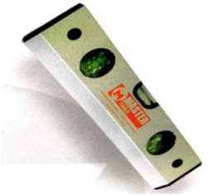 | MT-05401 | SPIRIT LEVEL 30CM 3 VIAL | MASTER TOOLS | SPIRIT LEVEL
 | MT-05403 | SPIRIT LEVEL 45CM 3 VIAL | MASTER TOOLS | SPIRIT LEVEL
 | MT-05405 | SPIRIT LEVEL 60CM 3 VIAL | MASTER TOOLS | SPIRIT LEVEL
 | MT-05407 | SPIRIT LEVEL 90CM 3 VIAL | MASTER TOOLS | SPIRIT LEVEL
 | MT-05408 | SPIRIT LEVEL 100CM 3 VIAL | MASTER TOOLS | SPIRIT LEVEL
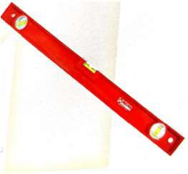 | MT-05304 | SPIRIT LEVEL 50CM LEADER | MASTER TOOLS | SPIRIT LEVEL
 | MT-05305 | SPIRIT LEVEL 60CM LEADER | MASTER TOOLS | SPIRIT LEVEL
 | MT-05306 | SPIRIT LEVEL 80CM LEADER | MASTER TOOLS | SPIRIT LEVEL
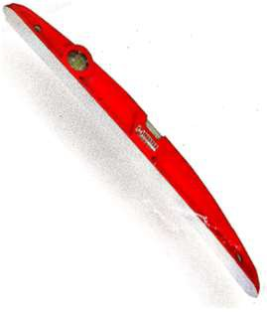 | MT-05204 | SPIRIT LEVEL 50CM MAGNUM | MASTER TOOLS | SPIRIT LEVEL
 | MT-05205 | SPIRIT LEVEL 60CM MAGNUM | MASTER TOOLS | SPIRIT LEVEL
 | MT-05206 | SPIRIT LEVEL 80CM MAGNUM | MASTER TOOLS | SPIRIT LEVEL
 | MT-05208 | SPIRIT LEVEL 100CM MAGNUM | MASTER TOOLS | SPIRIT LEVEL
 | MT-05510 | SCAFFOLDING LEVEL 10" MAGNETIC | MASTER TOOLS | SPIRIT LEVEL
 | MT-05501 | TORPEDO LEVEL HD 9" | MASTER TOOLS | SPIRIT LEVEL
 | MT-05503 | TORPEDO LEVEL 9" MAGNETIC | MASTER TOOLS | SPIRIT LEVEL
 | MT-25012 | CARPENTER SQUARE 300 X 200 | MASTER TOOLS | SQUARE
 | MT-25024 | CARPENTER SQUARE 600 X 400 | MASTER TOOLS | SQUARE
 | MT-25312 | COMBINATION SQUARE 12" | MASTER TOOLS | SQUARE
 | MT-25106 | TRY SQUARE 6" | MASTER TOOLS | SQUARE
 | MT-25108 | TRY SQUARE 8" | MASTER TOOLS | SQUARE
 | MT-25110 | TRY SQUARE 10" | MASTER TOOLS | SQUARE
 | MT-25112 | TRY SQUARE 12" | MASTER TOOLS | SQUARE
 | MT-25210 | ADJUSTABLE SQUARE 10" | MASTER TOOLS | SQUARE
 | MT-04980 | MULTI-TOOL 12 IN 1 WITH POUCH | MASTER TOOLS | TOOLS
 | MT-04983 | MULTI-TOOL 11 IN 1 WITH POUCH | MASTER TOOLS | TOOLS
 | MT-21150 | SUCTION LIFTER -ONE CUP (50KG) | MASTER TOOLS | TOOLS
 | MT-21210 | SUCTION LIFTER -TWO CUP (110KG) | MASTER TOOLS | TOOLS
 | MT-21315 | SUCTION LIFTER -THREE CUP (150KG) | MASTER TOOLS | TOOLS
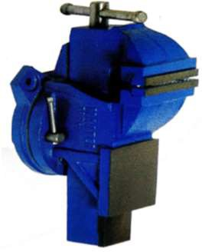 | MT-25004 | HEAVY DUTY BENCH VISE 100MM WITH SWIVEL BASE | MASTER TOOLS | BENCH WISE
 | MT-25005 | HEAVY DUTY BENCH VISE 125MM WITH SWIVEL BASE | MASTER TOOLS | BENCH WISE
 | MT-25006 | HEAVY DUTY BENCH VISE 150MM WITH SWIVEL BASE | MASTER TOOLS | BENCH WISE
 | MT-25008 | HEAVY DUTY BENCH VISE 200MM WITH SWIVEL BASE | MASTER TOOLS | BENCH WISE
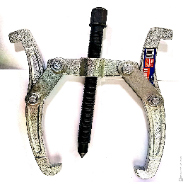 | MT-21104 | TWO JAW PULLER 4" | MASTER TOOLS | JAW PULLER
 | MT-21106 | TWO JAW PULLER 6" | MASTER TOOLS | JAW PULLER
 | MT-21108 | TWO JAW PULLER 8" | MASTER TOOLS | JAW PULLER
 | MT-21110 | TWO JAW PULLER 10" | MASTER TOOLS | JAW PULLER
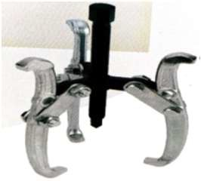 | MT-21206 | THREE JAW PULLER 160MM | MASTER TOOLS | JAW PULLER
 | MT-21208 | THREE JAW PULLER 200MM | MASTER TOOLS | JAW PULLER
 | MT-21310 | THREE JAW PULLER 250MM | MASTER TOOLS | JAW PULLER
 | MT-15201 | SURFORM SHAVER TOOL 140 MM | MASTER TOOLS | TOOLS
 | MT-15202 | SURFORM BLOCK PLANE 140MM | MASTER TOOLS | TOOLS
 | MT-15205 | SURFORM PLANNER 10" (PLASTIC HANDLE) | MASTER TOOLS | TOOLS
 | MT-15203 | SURFORM FILE 140MM | MASTER TOOLS | TOOLS
 | MT-15221 | SURFORM PLANNER 10" | MASTER TOOLS | TOOLS
 | MT-15210 | SURFORM ROUND FILE 10" | MASTER TOOLS | TOOLS
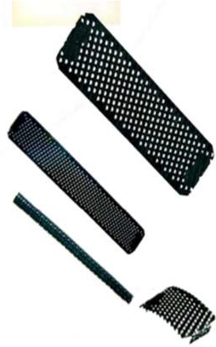 | MT-15301 | SURFORM PLANNER BLADE 60MM | MASTER TOOLS | BLADE / FILE
 | MT-15302 | SURFORM PLANNER BLADE 140MM | MASTER TOOLS | BLADE / FILE
 | MT-15305 | SURFORM PLANNER BLADE ROUND 10" | MASTER TOOLS | BLADE / FILE
 | MT-15306 | SURFORM PLANNER BLADE H/R 10" | MASTER TOOLS | BLADE / FILE
 | MT-15392 | SURFORM PLANNER BLADE 10" | MASTER TOOLS | BLADE / FILE
 | MT-15393 | SURFORM PLANNER BLADE 10"(ONE SIDE CUT) | MASTER TOOLS | BLADE / FILE
 | MT-19606 | FLAT POINTED FILE BASTARD 6" | MASTER TOOLS | BLADE / FILE
 | MT-19608 | FLAT POINTED FILE BASTARD 8" | MASTER TOOLS | BLADE / FILE
 | MT-19610 | FLAT POINTED FILE BASTARD 10" | MASTER TOOLS | BLADE / FILE
 | MT-19612 | FLAT POINTED FILE BASTARD 12" | MASTER TOOLS | BLADE / FILE
 | MT-19706 | FLAT POINTED FILE SECOND CUT 6" | MASTER TOOLS | BLADE / FILE
 | MT-19708 | FLAT POINTED FILE SECOND CUT 8" | MASTER TOOLS | BLADE / FILE
 | MT-19710 | FLAT POINTED FILE SECOND CUT 10" | MASTER TOOLS | BLADE / FILE
 | MT-19712 | FLAT POINTED FILE SECOND CUT 12" | MASTER TOOLS | BLADE / FILE
 | MT-19806 | FLAT POINTED FILE SMOOTH 6" | MASTER TOOLS | BLADE / FILE
 | MT-19808 | FLAT POINTED FILE SMOOTH 8" | MASTER TOOLS | BLADE / FILE
 | MT-19810 | FLAT POINTED FILE SMOOTH 10" | MASTER TOOLS | BLADE / FILE
 | MT-19812 | FLAT POINTED FILE SMOOTH 12" | MASTER TOOLS | BLADE / FILE
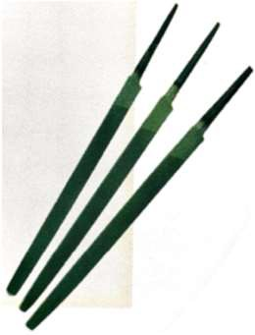 | MT-19904 | TRIANGULAR FILE BASTARD 4" | MASTER TOOLS | BLADE / FILE
 | MT-19924 | TRIANGULAR FILE SMOOTH 4" | MASTER TOOLS | BLADE / FILE
 | MT-19914 | TRIANGULAR FILE SECOND CUT 4" | MASTER TOOLS | BLADE / FILE
 | MT-19915 | TRIANGULAR FILE SECOND CUT 5" | MASTER TOOLS | BLADE / FILE
 | MT-19916 | TRIANGULAR FILE SECOND CUT 6" | MASTER TOOLS | BLADE / FILE
 | MT-19006 | HALF ROUND FILE BASTARD 6" | MASTER TOOLS | BLADE / FILE
 | MT-19008 | HALF ROUND FILE BASTARD 8" | MASTER TOOLS | BLADE / FILE
 | MT-19010 | HALF ROUND FILE BASTARD 10" | MASTER TOOLS | BLADE / FILE
 | MT-19012 | HALF ROUND FILE BASTARD 12" | MASTER TOOLS | BLADE / FILE
 | MT-19106 | HALF ROUND FILE SECOND CUT 6" | MASTER TOOLS | BLADE / FILE
 | MT-19108 | HALF ROUND FILE SECOND CUT 8" | MASTER TOOLS | BLADE / FILE
 | MT-19110 | HALF ROUND FILE SECOND CUT 10" | MASTER TOOLS | BLADE / FILE
 | MT-19112 | HALF ROUND FILE SECOND CUT 12" | MASTER TOOLS | BLADE / FILE
 | MT-19206 | HALF ROUND FILE SMOOTH 6" | MASTER TOOLS | BLADE / FILE
 | MT-19208 | HALF ROUND FILE SMOOTH 8" | MASTER TOOLS | BLADE / FILE
 | MT-19210 | HALF ROUND FILE SMOOTH 10" | MASTER TOOLS | BLADE / FILE
 | MT-19212 | HALF ROUND FILE SMOOTH 12" | MASTER TOOLS | BLADE / FILE
 | MT-19306 | ROUND FILE BASTARD 6" | MASTER TOOLS | BLADE / FILE
 | MT-19308 | ROUND FILE BASTARD 8" | MASTER TOOLS | BLADE / FILE
 | MT-19310 | ROUND FILE BASTARD 10" | MASTER TOOLS | BLADE / FILE
 | MT-19312 | ROUND FILE BASTARD 12" | MASTER TOOLS | BLADE / FILE
 | MT-19406 | ROUND FILE SECOND CUT 6" | MASTER TOOLS | BLADE / FILE
 | MT-19408 | ROUND FILE SECOND CUT 8" | MASTER TOOLS | BLADE / FILE
 | MT-19410 | ROUND FILE SECOND CUT 10" | MASTER TOOLS | BLADE / FILE
 | MT-19412 | ROUND FILE SECOND CUT 12" | MASTER TOOLS | BLADE / FILE
 | MT-19506 | ROUND FILE SMOOTH 6" | MASTER TOOLS | BLADE / FILE
 | MT-19508 | ROUND FILE SMOOTH 8" | MASTER TOOLS | BLADE / FILE
 | MT-19510 | ROUND FILE SMOOTH 10" | MASTER TOOLS | BLADE / FILE
 | MT-19512 | ROUND FILE SMOOTH 12" | MASTER TOOLS | BLADE / FILE
 | MT-19941 | NEEDLE FILE SET | MASTER TOOLS | BLADE / FILE
HAND SAW |  |  | MASTER TOOLS | BLADE / FILE
 | MT-16216 | HANDSAW 16" | MASTER TOOLS | HANDSAW
 | MT-16218 | HANDSAW 18" | MASTER TOOLS | HANDSAW
 | MT-16220 | HANDSAW 20" | MASTER TOOLS | HANDSAW
 | MT-16222 | HANDSAW 22" | MASTER TOOLS | HANDSAW
 | MT-16224 | HANDSAW 24" | MASTER TOOLS | HANDSAW
 | MT-16112 | PRUNING SAW 16" | MASTER TOOLS | HANDSAW
 | MT-16116 | BAGHDADI HANDSAW 16" | MASTER TOOLS | HANDSAW
 | MT-16118 | BAGHDADI HANDSAW 18" | MASTER TOOLS | HANDSAW
 | MT-09001 | HACKSAW FRAME TUBULAR | MASTER TOOLS | HANDSAW
 | MT-09002 | HACKSAW FRAME ADJUSTABLE | MASTER TOOLS | HANDSAW
 | MT-09003 | HACKSAW FRAME ADJUSTABLE RUBBER GRIP | MASTER TOOLS | HANDSAW
 | MT-09005 | HACKSAW FRAME HT-A | MASTER TOOLS | HANDSAW
 | MT-09009 | HACKSAW FRAME RUBBER GRIP HT-E | MASTER TOOLS | HANDSAW
 | MT-09016 | MINI HACKSAW FRAME 6" | MASTER TOOLS | HANDSAW
 | MT-09017 | MINI HACKSAW FRAME 300MM | MASTER TOOLS | HANDSAW
 | MT-09100 | MINI HACKSAW BLADE 6"X24T | MASTER TOOLS | HANDSAW
 | MT-03212 | BOLT CUTTER 12" | MASTER TOOLS | CUTTER
 | MT-03214 | BOLT CUTTER 14" | MASTER TOOLS | CUTTER
 | MT-03217 | BOLT CUTTER 18" | MASTER TOOLS | CUTTER
 | MT-03218 | BOLT CUTTER 18" | MASTER TOOLS | CUTTER
 | MT-03224 | BOLT CUTTER 24" | MASTER TOOLS | CUTTER
 | MT-03230 | BOLT CUTTER 30" | MASTER TOOLS | CUTTER
 | MT-03236 | BOLT CUTTER 36" | MASTER TOOLS | CUTTER
 | MT-14000 | STAPLE PIN 6MM | MASTER TOOLS | CUTTER
 | MT-14001 | STAPLE PIN 8MM | MASTER TOOLS | CUTTER
 | MT-14002 | STAPLE PIN 10MM | MASTER TOOLS | CUTTER
 | MT-14003 | STAPLE PIN 12MM | MASTER TOOLS | CUTTER
 | MT-14004 | STAPLE PIN 14MM | MASTER TOOLS | CUTTER
 | MT-HSR8 | HOG RING (500PCS) | MASTER TOOLS | CUTTER
 | MT-14100 | STAPLER GUN HD | MASTER TOOLS | CUTTER
 | MT-14101 | STAPLER GUN | MASTER TOOLS | CUTTER
 | MT-HRP7 | HOG RING PLIER | MASTER TOOLS | PLIER
 | MT-07000 | HAND RIVETER | MASTER TOOLS | RIVERTER
 | MT-07001 | HAND RIVETER HEAVY DUTY | MASTER TOOLS | RIVERTER
 | MT-07002 | HAND RIVETER 2 WAY | MASTER TOOLS | RIVERTER
 | MT-07006 | HAND RIVETER PROFESSIONAL | MASTER TOOLS | RIVERTER
 | MT-27065 | PIN PUNCH SET 6PCS | MASTER TOOLS | PUNCH
 | MT-27040 | CENTER PUNCH SET 3PCS | MASTER TOOLS | PUNCH
 | MT-27050 | PUNCH & CHISEL SET 5PCS | MASTER TOOLS | PUNCH
 | MT-27070 | PUNCH & CHISEL SET 12 PCS | MASTER TOOLS | PUNCH
 | MT-27001 | PIN PUNCH 1/16 x 6" | MASTER TOOLS | PUNCH
 | MT-27002 | PIN PUNCH 3/32 x 6" | MASTER TOOLS | PUNCH
 | MT-27003 | PIN PUNCH 1/8 x 6" | MASTER TOOLS | PUNCH
 | MT-27004 | PIN PUNCH 5/32 x 6" | MASTER TOOLS | PUNCH
 | MT-27005 | PIN PUNCH 3/16 x 6" | MASTER TOOLS | PUNCH
 | MT-27006 | PIN PUNCH 1/4 x 6" | MASTER TOOLS | PUNCH
 | MT-27008 | PIN PUNCH 5/16 x 6" | MASTER TOOLS | PUNCH
 | MT-27010 | PIN PUNCH 3/8 x 6" | MASTER TOOLS | PUNCH
 | MT-27020 | CENTER PUNCH 1/16x 4" | MASTER TOOLS | PUNCH
 | MT-27021 | CENTER PUNCH 5/32 x 4" | MASTER TOOLS | PUNCH
 | MT-27022 | CENTER PUNCH 1/4 x 4" | MASTER TOOLS | PUNCH
 | MT-27023 | CENTER PUNCH 5/16 x 4" | MASTER TOOLS | PUNCH
 | MT-27030 | COLD CHISEL SET 3PCS | MASTER TOOLS | CHISEL
 | MT-27136 | RIPPING BAR 36" | MASTER TOOLS | CHISEL
 | MT-27208 | COLD CHISEL POINTED 200x16mm | MASTER TOOLS | CHISEL
 | MT-27211 | COLD CHISEL POINTED250x18mm | MASTER TOOLS | CHISEL
 | MT-27213 | COLD CHISEL POINTED 300x18mm | MASTER TOOLS | CHISEL
 | MT-27210 | COLD CHISEL POINTED 250x16mm | MASTER TOOLS | CHISEL
 | MT-27212 | COLD CHISEL POINTED 300x16mm | MASTER TOOLS | CHISEL
 | MT-27215 | COLD CHISEL POINTED 300x16mm | MASTER TOOLS | CHISEL
 | MT-27111 | COLD CHISEL FLAT 250x18x25mm | MASTER TOOLS | CHISEL
 | MT-27108 | COLD CHISEL FLAT 200x16x23mm | MASTER TOOLS | CHISEL
 | MT-27113 | COLD CHISEL FLAT 300x18x25mm | MASTER TOOLS | CHISEL
 | MT-27110 | COLD CHISEL FLAT 250x16x23mm | MASTER TOOLS | CHISEL
 | MT-27112 | COLD CHISEL FLAT 300x16x23mm | MASTER TOOLS | CHISEL
 | MT-27115 | COLD CHISEL FLAT 350x18x25mm | MASTER TOOLS | CHISEL
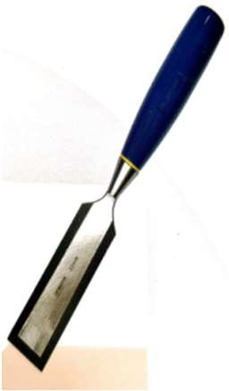 | MT-12006 | WOOD CHISEL 6 MM | MASTER TOOLS | CHISEL
 | MT-12008 | WOOD CHISEL 8 MM | MASTER TOOLS | CHISEL
 | MT-12010 | WOOD CHISEL 10 MM | MASTER TOOLS | CHISEL
 | MT-12012 | WOOD CHISEL 12 MM | MASTER TOOLS | CHISEL
 | MT-12016 | WOOD CHISEL 16 MM | MASTER TOOLS | CHISEL
 | MT-12019 | WOOD CHISEL 19 MM | MASTER TOOLS | CHISEL
 | MT-12025 | WOOD CHISEL 25 MM | MASTER TOOLS | CHISEL
 | MT-12032 | WOOD CHISEL 32 MM | MASTER TOOLS | CHISEL
 | MT-12038 | WOOD CHISEL 38 MM | MASTER TOOLS | CHISEL
 | MT-12050 | WOOD CHISEL 50 MM | MASTER TOOLS | CHISEL
 | MT-12104 | WOOD CHISEL 4PCS SET (6/12/19/25MM) | MASTER TOOLS | CHISEL
 | MT-12105 | WOOD CHISEL 5PCS SET (6/12/16/19/25MM) | MASTER TOOLS | CHISEL
 | MT-12106 | WOOD CHISEL 6PCS SET (6/12/19/25/32/38MM) | MASTER TOOLS | CHISEL
 | MT-08308 | CLAW HAMMER WOODEN HNDL (HICKORY)8 OZ | MASTER TOOLS | HAMMER
 | MT-08318 | CLAW HAMMER WOOD HANDLE 16OZ | MASTER TOOLS | HAMMER
 | MT-08008 | CLAW HAMMER FIBER HANDLE 8 OZ | MASTER TOOLS | HAMMER
 | MT-08016 | CLAW HAMMER FIBER HANDLE 16 OZ | MASTER TOOLS | HAMMER
 | MT-08018S | CLAW HAMMER FIBER (STRAIGHT) 16OZ | MASTER TOOLS | HAMMER
 | MT-08018 | CLAW HAMMER FIBER (BEND) 16OZ | MASTER TOOLS | HAMMER
 | MT-08208 | CLAW HAMMER STEEL HANDLE 8 OZ | MASTER TOOLS | HAMMER
 | MT-08216 | CLAW HAMMER STEEL HANDLE 16 OZ | MASTER TOOLS | HAMMER
 | MT-08108 | BALL PIEN HAMMER (HICKORY) 8 OZ | MASTER TOOLS | HAMMER
 | MT-08116 | BALL PIEN HAMMER (HICKORY) 16 OZ | MASTER TOOLS | HAMMER
 | MT-08120 | BALL PIEN HAMMER (HICKORY) 20 OZ | MASTER TOOLS | HAMMER
 | MT-08109 | BALL PEIN HAMMER FIBER HANDLE 8OZ | MASTER TOOLS | HAMMER
 | MT-08117 | BALL PEIN HAMMER FIBER HANDLE 16OZ | MASTER TOOLS | HAMMER
 | MT-08125 | BALL PEIN HAMMER FIBER HANDLE 24OZ | MASTER TOOLS | HAMMER
 | MT-08133 | BALL PEIN HAMMER FIBER HANDLE 32OZ | MASTER TOOLS | HAMMER
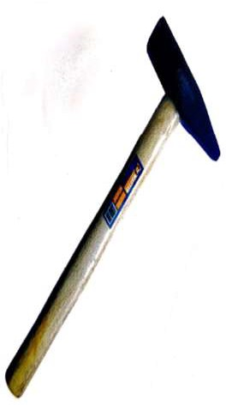 | MT-08400 | MACHINIST HAMMER 100 GM | MASTER TOOLS | HAMMER
 | MT-08401 | MACHINIST HAMMER 200 GM | MASTER TOOLS | HAMMER
 | MT-08402 | MACHINIST HAMMER 300 GM | MASTER TOOLS | HAMMER
 | MT-08403 | MACHINIST HAMMER 400 GM | MASTER TOOLS | HAMMER
 | MT-08404 | MACHINIST HAMMER 500 GM | MASTER TOOLS | HAMMER
 | MT-08405 | MACHINIST HAMMER 600 GM | MASTER TOOLS | HAMMER
 | MT-08406 | MACHINIST HAMMER 700 GM | MASTER TOOLS | HAMMER
 | MT-08407 | MACHINIST HAMMER 1000 GM | MASTER TOOLS | HAMMER
 | MT-08408 | MACHINIST HAMMER 1500 GM | MASTER TOOLS | HAMMER
 | MT-08409 | MACHINIST HAMMER 2000 GM | MASTER TOOLS | HAMMER
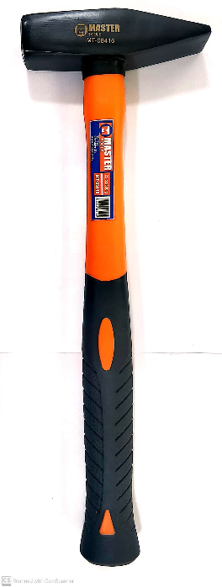 | MT-08411 | MACHINIST HAMMER FIBER HANDLE 100GM | MASTER TOOLS | HAMMER
 | MT-08412 | MACHINIST HAMMER FIBER HANDLE 200GM | MASTER TOOLS | HAMMER
 | MT-08413 | MACHINIST HAMMER FIBER HANDLE 300GM | MASTER TOOLS | HAMMER
 | MT-08414 | MACHINIST HAMMER FIBER HANDLE 400GM | MASTER TOOLS | HAMMER
 | MT-08415 | MACHINIST HAMMER FIBER HANDLE 500GM | MASTER TOOLS | HAMMER
 | MT-08416 | MACHINIST HAMMER FIBER HANDLE 600GM | MASTER TOOLS | HAMMER
 | MT-08417 | MACHINIST HAMMER FIBER HANDLE 800GM | MASTER TOOLS | HAMMER
 | MT-08418 | MACHINIST HAMMER FIBER HANDLE 1000GM | MASTER TOOLS | HAMMER
 | MT-08419 | MACHINIST HAMMER FIBER HANDLE 1500GM | MASTER TOOLS | HAMMER
 | MT-08420 | MACHINIST HAMMER FIBER HANDLE 2KG | MASTER TOOLS | HAMMER
 | MT-08705 | SLEDGE HAMMER FIBER HANDLE 500GM | MASTER TOOLS | HAMMER
 | MT-08707 | SLEDGE HAMMER FIBER HANDLE 800GM | MASTER TOOLS | HAMMER
 | MT-08708 | SLEDGE HAMMER FIBER HANDLE 1000GM | MASTER TOOLS | HAMMER
 | MT-08709 | SLEDGE HAMMER FIBER HANDLE 1200GM | MASTER TOOLS | HAMMER
 | MT-08710 | SLEDGE HAMMER FIBER HANDLE 1500GM | MASTER TOOLS | HAMMER
 | MT-08711 | SLEDGE HAMMER FIBER HANDLE 2KG | MASTER TOOLS | HAMMER
 | MT-08501 | RUBBER MALLET 16OZ HICKORY | MASTER TOOLS | HAMMER
 | MT-08502 | RUBBER MALLET 24OZ HICKORY | MASTER TOOLS | HAMMER
 | MT-08603 | DEAD BLOW HAMMER 1.5LB | MASTER TOOLS | HAMMER
 | MT-08604 | DEAD BLOW HAMMER 2LB | MASTER TOOLS | HAMMER
 | MT-08606 | DEAD BLOW HAMMER 3LB | MASTER TOOLS | HAMMER
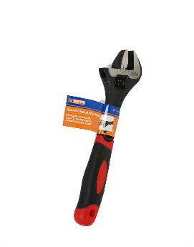 | MT-06106 | ADJUSTABLE WRENCH WITH GRIP 6" | MASTER TOOLS | WRENCH
 | MT-06108 | ADJUSTABLE WRENCH WITH GRIP 8" | MASTER TOOLS | WRENCH
 | MT-06110 | ADJUSTABLE WRENCH WITH GRIP 10" | MASTER TOOLS | WRENCH
 | MT-06111 | ADJUSTABLE WRENCH WITH GRIP 10" | MASTER TOOLS | WRENCH
 | MT-06112 | ADJUSTABLE WRENCH WITH GRIP 12" | MASTER TOOLS | WRENCH
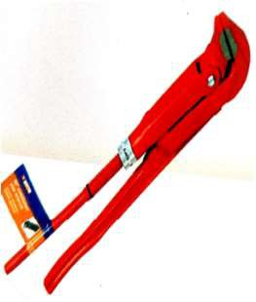 | MT-06510 | SWEDISH PIPE WRENCH 90D 1" | MASTER TOOLS | WRENCH
 | MT-06515 | SWEDISH PIPE WRENCH 90D 1.5" | MASTER TOOLS | WRENCH
 | MT-06520 | SWEDISH PIPE WRENCH 90D 2" | MASTER TOOLS | WRENCH
 | MT-06530 | SWEDISH PIPE WRENCH 90D 3" | MASTER TOOLS | WRENCH
 | MT-06540 | SWEDISH PIPE WRENCH 90D 4" | MASTER TOOLS | WRENCH
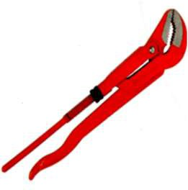 | MT-06410 | SWEDISH PIPE WRENCH 45D 1" | MASTER TOOLS | WRENCH
 | MT-06415 | SWEDISH PIPE WRENCH 45D 1.5" | MASTER TOOLS | WRENCH
 | MT-06420 | SWEDISH PIPE WRENCH 45D 2" | MASTER TOOLS | WRENCH
 | MT-06430 | SWEDISH PIPE WRENCH 45D 3" | MASTER TOOLS | WRENCH
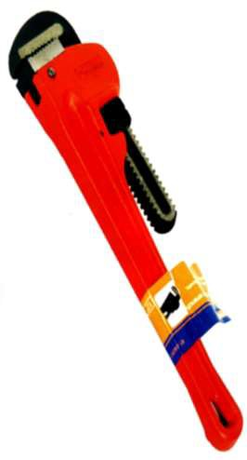 | MT-06200 | PIPE WRENCH HD 6" | MASTER TOOLS | WRENCH
 | MT-06201 | PIPE WRENCH HD 8" | MASTER TOOLS | WRENCH
 | MT-06202 | PIPE WRENCH HD 10" | MASTER TOOLS | WRENCH
 | MT-06203 | PIPE WRENCH HD 12" | MASTER TOOLS | WRENCH
 | MT-06204 | PIPE WRENCH HD 14" | MASTER TOOLS | WRENCH
 | MT-06205 | PIPE WRENCH HD 18" | MASTER TOOLS | WRENCH
 | MT-06206 | PIPE WRENCH HD 24" | MASTER TOOLS | WRENCH
 | MT-06207 | PIPE WRENCH HD 36" | MASTER TOOLS | WRENCH
 | MT-06208 | PIPE WRENCH HD 48" | MASTER TOOLS | WRENCH
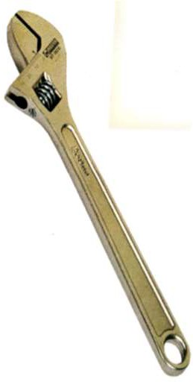 | MT-06004 | ADJUSTABLE WRENCH 4" | MASTER TOOLS | WRENCH
 | MT-06006 | ADJUSTABLE WRENCH 6" | MASTER TOOLS | WRENCH
 | MT-06007 | ADJUSTABLE WRENCH 8" | MASTER TOOLS | WRENCH
 | MT-06008 | ADJUSTABLE WRENCH 8" | MASTER TOOLS | WRENCH
 | MT-06009 | ADJUSTABLE WRENCH 10" | MASTER TOOLS | WRENCH
 | MT-06010 | ADJUSTABLE WRENCH 10" | MASTER TOOLS | WRENCH
 | MT-06011 | ADJUSTABLE WRENCH 12" | MASTER TOOLS | WRENCH
 | MT-06012 | ADJUSTABLE WRENCH 12" | MASTER TOOLS | WRENCH
 | MT-06015 | ADJUSTABLE WRENCH 15" | MASTER TOOLS | WRENCH
 | MT-06018 | ADJUSTABLE WRENCH 18" | MASTER TOOLS | WRENCH
 | MT-06024 | ADJUSTABLE WRENCH 24" | MASTER TOOLS | WRENCH
 | MT-06512 | BELT WRENCH 12" | MASTER TOOLS | WRENCH
 | MT-06513 | CHAIN WRENCH 300mm | MASTER TOOLS | WRENCH
 | MT-04920 | LOCKING PLIER 7" | MASTER TOOLS | PLIER
 | MT-04921 | LOCKING PLIER 10" | MASTER TOOLS | PLIER
 | MT-04922 | LOCKING PLIER 12" | MASTER TOOLS | PLIER
 | MT-04940 | LOCKING PINCH-OFF PLIERS 7" | MASTER TOOLS | PLIER
 | MT-04930 | LOCKING CLAMP WITH SWIVEL PAD 9" | MASTER TOOLS | TOOL
 | MT-04931 | LOCKING CLAMP WITH SWIVEL PAD 11" | MASTER TOOLS | TOOL
 | MT-04950 | U SHAPED WELDING CLAMP 10" | MASTER TOOLS | TOOL
 | MT-04951 | U SHAPED WELDING CLAMP 11" | MASTER TOOLS | TOOL
 | MT-20406 | DOUBLE OPEN END SPANNER 6x7 mm | MASTER TOOLS | SPANNERS
 | MT-20408 | DOUBLE OPEN END SPANNER 8x9 mm | MASTER TOOLS | SPANNERS
 | MT-20410 | DOUBLE OPEN END SPANNER 10x11 mm | MASTER TOOLS | SPANNERS
 | MT-20412 | DOUBLE OPEN END SPANNER 12x13 mm | MASTER TOOLS | SPANNERS
 | MT-20414 | DOUBLE OPEN END SPANNER 14x15 mm | MASTER TOOLS | SPANNERS
 | MT-20416 | DOUBLE OPEN END SPANNER 16X17 mm | MASTER TOOLS | SPANNERS
 | MT-20418 | DOUBLE OPEN END SPANNER 18x19 mm | MASTER TOOLS | SPANNERS
 | MT-20420 | DOUBLE OPEN END SPANNER 20x22 mm | MASTER TOOLS | SPANNERS
 | MT-20421 | DOUBLE OPEN END SPANNER 21x23 mm | MASTER TOOLS | SPANNERS
 | MT-20424 | DOUBLE OPEN END SPANNER 24x27 mm | MASTER TOOLS | SPANNERS
 | MT-20425 | DOUBLE OPEN END SPANNER 25x28 mm | MASTER TOOLS | SPANNERS
 | MT-20430 | DOUBLE OPEN END SPANNER 30x32 mm | MASTER TOOLS | SPANNERS
 | MT-04955 | LOCKING SHEET METAL TOOL 10" | MASTER TOOLS | SPANNERS
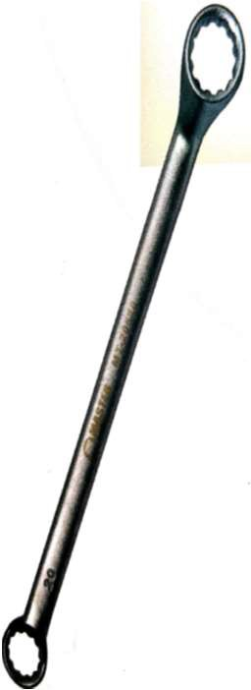 | MT-20506 | RING SPANNER 6X7MM | MASTER TOOLS | SPANNERS
 | MT-20508 | RING SPANNER 8X9MM | MASTER TOOLS | SPANNERS
 | MT-20510 | RING SPANNER 10X11MM | MASTER TOOLS | SPANNERS
 | MT-20512 | RING SPANNER 12X13MM | MASTER TOOLS | SPANNERS
 | MT-20514 | RING SPANNER 14X15MM | MASTER TOOLS | SPANNERS
 | MT-20516 | RING SPANNER 16X17MM | MASTER TOOLS | SPANNERS
 | MT-20518 | RING SPANNER 18X19MM | MASTER TOOLS | SPANNERS
 | MT-20520 | RING SPANNER 20X22MM | MASTER TOOLS | SPANNERS
 | MT-20521 | RING SPANNER 21X23MM | MASTER TOOLS | SPANNERS
 | MT-20524 | RING SPANNER 24X27MM | MASTER TOOLS | SPANNERS
 | MT-20525 | RING SPANNER 25X28MM | MASTER TOOLS | SPANNERS
 | MT-20530 | RING SPANNER 30X32MM | MASTER TOOLS | SPANNERS
 | MT-20482 | DOUBLE OPEN END SPANNER 8 PCS (6- 22mm) | MASTER TOOLS | SPANNERS
 | MT-20483 | DOUBLE OPEN END SPANNER 12 PCS (6- 32mm) | MASTER TOOLS | SPANNERS
 | MT-20582 | RING SPANNER 8PCS SET (6-22MM) | MASTER TOOLS | SPANNERS
 | MT-20583 | RING SPANNER 12PCS SET (6-32MM) | MASTER TOOLS | SPANNERS
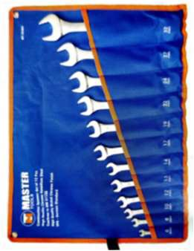 | MT-20382 | COMBINATION SPANNER 8 PCS (6-22mm) | MASTER TOOLS | SPANNERS
 | MT-20384 | COMBINATION SPANNER 12 PCS (6-32mm) | MASTER TOOLS | SPANNERS
 | MT-20387 | COMBINATION SPANNER 25 PCS (6- 28,30,32mm) | MASTER TOOLS | SPANNERS
 | MT-20306 | COMBI SPANNER 6 mm | MASTER TOOLS | SPANNERS
 | MT-20307 | COMBI SPANNER 7mm | MASTER TOOLS | SPANNERS
 | MT-20308 | COMBI SPANNER 8mm | MASTER TOOLS | SPANNERS
 | MT-20309 | COMBI SPANNER 9 mm | MASTER TOOLS | SPANNERS
 | MT-20310 | COMBI SPANNER 10 mm | MASTER TOOLS | SPANNERS
 | MT-20311 | COMBISPANNER 11 mm | MASTER TOOLS | SPANNERS
 | MT-20312 | COMBI SPANNER 12 mm | MASTER TOOLS | SPANNERS
 | MT-20313 | COMBI SPANNER 13 mm | MASTER TOOLS | SPANNERS
 | MT-20314 | COMBI SPANNER 14 mm | MASTER TOOLS | SPANNERS
 | MT-20315 | COMBI SPANNER 15 mm | MASTER TOOLS | SPANNERS
 | MT-20316 | COMBI SPANNER 16 mm | MASTER TOOLS | SPANNERS
 | MT-20317 | COMBI SPANNER 17 mm | MASTER TOOLS | SPANNERS
 | MT-20318 | COMBI SPANNER 18 mm | MASTER TOOLS | SPANNERS
 | MT-20319 | COMBI SPANNER 19 mm | MASTER TOOLS | SPANNERS
 | MT-20320 | COMBI SPANNER 20 mm | MASTER TOOLS | SPANNERS
 | MT-20321 | COMBI SPANNER 21 mm | MASTER TOOLS | SPANNERS
 | MT-20322 | COMBI SPANNER 22 mm | MASTER TOOLS | SPANNERS
 | MT-20323 | COMBI SPANNER 23 mm | MASTER TOOLS | SPANNERS
 | MT-20324 | COMBI SPANNER 24 mm | MASTER TOOLS | SPANNERS
 | MT-20325 | COMBI SPANNER 25 mm | MASTER TOOLS | SPANNERS
 | MT-20326 | COMBI SPANNER 26 mm | MASTER TOOLS | SPANNERS
 | MT-20327 | COMBI SPANNER 27MM | MASTER TOOLS | SPANNERS
 | MT-20328 | COMBI SPANNER 28MM | MASTER TOOLS | SPANNERS
 | MT-20329 | COMBI SPANNER 29MM | MASTER TOOLS | SPANNERS
 | MT-20330 | COMBI SPANNER 30MM | MASTER TOOLS | SPANNERS
 | MT-20332 | COMBI SPANNER 32MM | MASTER TOOLS | SPANNERS
 | MT-20333 | COMBI SPANNER 33MM | MASTER TOOLS | SPANNERS
 | MT-20334 | COMBI SPANNER 34MM | MASTER TOOLS | SPANNERS
 | MT-20336 | COMBI SPANNER 36MM | MASTER TOOLS | SPANNERS
 | MT-20338 | COMBI SPANNER 38MM | MASTER TOOLS | SPANNERS
 | MT-20341 | COMBI SPANNER 41MM | MASTER TOOLS | SPANNERS
 | MT-20346 | COMBI SPANNER 46MM | MASTER TOOLS | SPANNERS
 | MT-20350 | COMBI SPANNER 50MM | MASTER TOOLS | SPANNERS
 | MT-20002 | COMBINATION WRENCH 1/4" | MASTER TOOLS | WRENCH
 | MT-20003 | COMBINATION WRENCH 5/16" | MASTER TOOLS | WRENCH
 | MT-20004 | COMBINATION WRENCH 3/8" | MASTER TOOLS | WRENCH
 | MT-20005 | COMBINATION WRENCH 7/16" | MASTER TOOLS | WRENCH
 | MT-20006 | COMBINATION WRENCH 1/2" | MASTER TOOLS | WRENCH
 | MT-20007 | COMBINATION WRENCH 9/16" | MASTER TOOLS | WRENCH
 | MT-20008 | COMBINATION WRENCH 5/8" | MASTER TOOLS | WRENCH
 | MT-20009 | COMBINATION WRENCH 11/16" | MASTER TOOLS | WRENCH
 | MT-20010 | COMBINATION WRENCH 3/4" | MASTER TOOLS | WRENCH
 | MT-20011 | COMBINATION WRENCH 13/16" | MASTER TOOLS | WRENCH
 | MT-20012 | COMBINATION WRENCH 7/8" | MASTER TOOLS | WRENCH
 | MT-20013 | COMBINATION WRENCH 15/16" | MASTER TOOLS | WRENCH
 | MT-20014 | COMBINATION WRENCH 1" | MASTER TOOLS | WRENCH
 | MT-20015 | COMBINATION WRENCH 1-1/16" | MASTER TOOLS | WRENCH
 | MT-20017 | COMBINATION WRENCH 1-1/4" | MASTER TOOLS | WRENCH
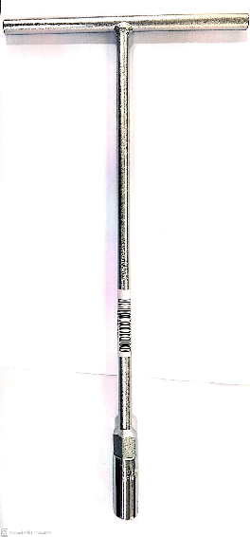 | MT-20706 | T SOCKET 6 MM | MASTER TOOLS | SPANNERS
 | MT-20707 | T SOCKET 7 MM | MASTER TOOLS | SPANNERS
 | MT-20708 | T SOCKET 8 MM | MASTER TOOLS | SPANNERS
 | MT-20709 | T SOCKET 9 MM | MASTER TOOLS | SPANNERS
 | MT-20710 | T SOCKET 10 MM | MASTER TOOLS | SPANNERS
 | MT-20711 | T SOCKET 11 MM | MASTER TOOLS | SPANNERS
 | MT-20712 | T SOCKET 12 MM | MASTER TOOLS | SPANNERS
 | MT-20713 | T SOCKET 13 MM | MASTER TOOLS | SPANNERS
 | MT-20714 | T SOCKET 14 MM | MASTER TOOLS | SPANNERS
 | MT-20715 | T SOCKET 15 MM | MASTER TOOLS | SPANNERS
 | MT-20716 | T SOCKET 16 MM | MASTER TOOLS | SPANNERS
 | MT-20717 | T SOCKET 17 MM | MASTER TOOLS | SPANNERS
 | MT-20719 | T SOCKET 19 MM | MASTER TOOLS | SPANNERS
 | MT-20103 | SOCKET SET 1/4" DR x 46 PCS | MASTER TOOLS | TOOLS
 | MT-20110 | SOCKET SET 1/2" DR x 25 PCS | MASTER TOOLS | TOOLS
 | MT-20106 | SOCKET SET 3/8" DR x 25 PCS | MASTER TOOLS | TOOLS
 | MT-20115 | RATCHET HANDLE 1/4" | MASTER TOOLS | TOOLS
 | MT-20117 | RATCHET HANDLE 1/2" | MASTER TOOLS | TOOLS
 | MT-24040 | GLUE GUN 40W | MASTER TOOLS | TOOLS
 | MT-07100 | CAULKING GUN | MASTER TOOLS | TOOLS
 | MT-24130 | SOLDERING IRON 30W | MASTER TOOLS | TOOLS
 | MT-24140 | SOLDERING IRON 40W | MASTER TOOLS | TOOLS
 | MT-24012 | TOOL BAG 12" (LD) | MASTER TOOLS | TOOLS
 | MT-24019 | TOOL BAG 19" (HD) | MASTER TOOLS | TOOLS
 | MT-24016 | TOOL BAG 16" (HD) | MASTER TOOLS | TOOLS
 | MT-24015 | TOOL BAG 16" (LD) | MASTER TOOLS | TOOLS
 | MT-24010 | TOOL BAG BACK PACK | MASTER TOOLS | TOOLS
 | MT-24121 | METAL TOOL BOX 5 TRAY 21" | MASTER TOOLS | TOOLS
 | MT-27303 | SCREW BIT PH2/PH2x65 | MASTER TOOLS | TOOLS
 | MT-27203 | SCREW BIT PH1/PH1x65 | MASTER TOOLS | TOOLS
 | MT-27513 | SCREW BIT PH2/SL6.5x65 | MASTER TOOLS | TOOLS
 | MT-27302 | SCREW BIT PH2/PH2x50 | MASTER TOOLS | TOOLS
 | MT-27202 | SCREW BIT PH1/PH1x50 | MASTER TOOLS | TOOLS
 | MT-27512 | SCREW BIT PH2/SL6.5x50 | MASTER TOOLS | TOOLS
 | MT-27305 | SCREW BIT PH2xPH2x100 | MASTER TOOLS | TOOLS
 | MT-27205 | SCREW BIT PH1/PH1x100 | MASTER TOOLS | TOOLS
 | MT-27515 | SCREW BIT PH2/SL6.5x100 | MASTER TOOLS | TOOLS
 | MT-27307 | SCREW BIT PH2/PH2x150 | MASTER TOOLS | TOOLS
 | MT-27525 | SCREW BIT SL6.5/SL6.5x50 | MASTER TOOLS | TOOLS
 | MT-27518 | SCREW BIT SL5.5/SL5.5x50 | MASTER TOOLS | TOOLS
 | MT-27527 | SCREW BIT SL6.5/SL6.5x75 | MASTER TOOLS | TOOLS
 | MT-27520 | SCREW BIT SL5.5/SL5.5x75 | MASTER TOOLS | TOOLS
 | MT-27528 | SCREW BIT SL6.5/SL6.5x100 | MASTER TOOLS | TOOLS
 | MT-27521 | SCREW BIT SL5.5/SL5.5x100 | MASTER TOOLS | TOOLS
 | MT-27401 | SCREW BIT PH2x25 ONE SIDE | MASTER TOOLS | TOOLS
 | MT-27402 | SCREW BIT PH2x50 ONE SIDE | MASTER TOOLS | TOOLS
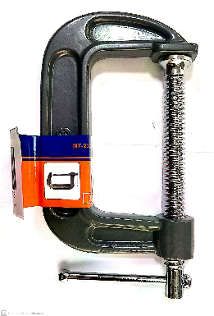 | MT-23001 | C CLAMP 1" | MASTER TOOLS | TOOLS
 | MT-23002 | C CLAMP 2" | MASTER TOOLS | TOOLS
 | MT-23003 | C CLAMP 3" | MASTER TOOLS | TOOLS
 | MT-23004 | C CLAMP 4" | MASTER TOOLS | TOOLS
 | MT-23005 | C CLAMP 5" | MASTER TOOLS | TOOLS
 | MT-23006 | C CLAMP 6" | MASTER TOOLS | TOOLS
 | MT-23008 | C CLAMP 8" | MASTER TOOLS | TOOLS
 | MT-23010 | C CLAMP 10" | MASTER TOOLS | TOOLS
 | MT-23012 | C CLAMP 12" | MASTER TOOLS | TOOLS
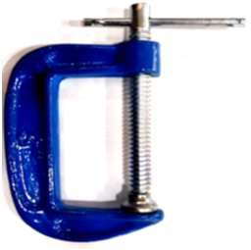 | MT-23101 | C CLAMP 1" | MASTER TOOLS | TOOLS
 | MT-23102 | C CLAMP 2" | MASTER TOOLS | TOOLS
 | MT-23103 | C CLAMP 3" | MASTER TOOLS | TOOLS
 | MT-23104 | C CLAMP 4" | MASTER TOOLS | TOOLS
 | MT-23105 | C CLAMP 5" | MASTER TOOLS | TOOLS
 | MT-23106 | C CLAMP 6" | MASTER TOOLS | TOOLS
 | MT-41104 | MANUAL DRAIN CLEANER | MASTER TOOLS | TOOLS
 | MT-41103 | DRAINAGE FORCE PUMP CLEANER 10/3 ADAPTORS (D-10A) | MASTER TOOLS | TOOLS
 | MT-42008 | ELECT HAND HELD DRAIN CLEANER 8mmX7.5 MTR 220V (D60) | MASTER TOOLS | TOOLS
 | MT-42010 | ELECT AUTO FEEL DRAIN CLEANER 10mmX7.5 MTR 220V (D70-1) | MASTER TOOLS | TOOLS
 | MT-41201 | H.D.ELECT DRAIN CLNG MCHN INCL 16mm SPIRAL KIT (R550/KOLLMAN | MASTER TOOLS | TOOLS
 | MT-41205 | H.D.ELECT DRAIN CLEANING MACHINE INCL 16&22mm SPIRAL KIT (R650) | MASTER TOOLS | TOOLS
 | MT-41211 | SPIRAL 16mm X 2.3 MTR INCL BASKET HOLDER (5 PCS) | MASTER TOOLS | TOOLS
 | MT-41212 | SPIRAL 22mm X 4.5 MTR INCL BASKET HOLDER (5 PCS) | MASTER TOOLS | TOOLS
 | MT-40414 | MANUAL ROTARY PIPE CUTTER 10"-14" | MASTER TOOLS | TOOLS
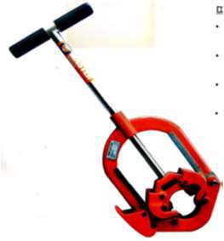 | MT-40504 | MANUAL PIPE CUTTER 2"-4" | MASTER TOOLS | TOOLS
 | MT-40506 | MANUAL PIPE CUTTER 4"-6" | MASTER TOOLS | TOOLS
 | MT-40508 | MANUAL PIPE CUTTER 6"-8" | MASTER TOOLS | TOOLS
 | MT-40412 | ELECTROHYD PIPE CUTTER 2"-12" INCL STAND | MASTER TOOLS | TOOLS
 | MT-40408 | ELECTROHYD PIPE CUTTER 2"-8" INCL STAND | MASTER TOOLS | TOOLS
 | MT-40800 | SPARE CUTTING WHEEL FOR STELL & SS FOR (QG8C&QG12C) | MASTER TOOLS | TOOLS
 | MT-40804 | SPARE STTEL CUTTING WHEEL FOR H4S 2"- 4" | MASTER TOOLS | TOOLS
 | MT-40808 | SPARE STEEL CUTTING WHEEL FOR H8S 4"- 6" | MASTER TOOLS | TOOLS
 | MT-40806 | SPARE STEEL CUTTING WHEEL FOR H6S 6"- 8" | MASTER TOOLS | TOOLS
 | MT-40814 | SPARE STEEL CUTTING WHEEL FOR H14S 10"-14" | MASTER TOOLS | TOOLS
 | MT-40952 | PIPE HOLE SAW CUTTER 152mm | MASTER TOOLS | TOOLS
 | MT-40000 | MT50R THREADING MACHINE 1/2-2" IND STAND & FOOT SWITCH | MASTER TOOLS | TOOLS
 | MT-40007 | FOOT SWITCH | MASTER TOOLS | TOOLS
 | MT-40008 | MOTOR ONLY WITH PINION | MASTER TOOLS | TOOLS
 | MT-40009 | GEARBOX ONLY | MASTER TOOLS | TOOLS
 | MT-40011 | AUTO DIE HEAD 1/2 - 2" MT50R | MASTER TOOLS | TOOLS
 | MT-40012 | TEETH DEPTH LEVER | MASTER TOOLS | TOOLS
 | MT-40013 | FEEDING HANDLE | MASTER TOOLS | TOOLS
 | MT-40015 | CARBON BRUSH FOR MT50R | MASTER TOOLS | TOOLS
 | MT-40016 | LOCATION BLOCK STOP 8mm (NEW) | MASTER TOOLS | TOOLS
 | MT-40017 | DRIVE SHAFT ASSY | MASTER TOOLS | TOOLS
 | MT-40018 | REAR SCROLL COMPLETE | MASTER TOOLS | TOOLS
 | MT-40019 | PIN | MASTER TOOLS | TOOLS
 | MT-40510 | PIPE CUTTER ASSY | MASTER TOOLS | TOOLS
 | MT-40511 | SUPPORT ARM FOR PIPE CUTTER | MASTER TOOLS | TOOLS
 | MT-40515 | HAMMER CHUCK JAWS ASSY (3 PCS) | MASTER TOOLS | TOOLS
 | MT- 40020AS | 1/2-3/4" BSPT HSS DIE SET MT40020AS | MASTER TOOLS | TOOLS
 | MT- 40020RB | 1/2-3/4" BSPT HSS DIE SET MT40020RB | MASTER TOOLS | TOOLS
 | MT- 40021AS | 1/2 - 3/4" NPT HSS DIE SET MT40021AS | MASTER TOOLS | TOOLS
 | MT- 40021RB | 1/2 - 3/4" NPT HSS DIE SET MT40021RB | MASTER TOOLS | TOOLS
 | MT- 40022RB | 1/2-3/4" BSPT HSS DIE SET MT-40022RB | MASTER TOOLS | TOOLS
 | MT- 40030AS | 1-2" BSPT HSS DIE SET MT-40030AS | MASTER TOOLS | TOOLS
 | MT- 40030RB | 1-2" BSPT HSS DIE SET MT-40030RB | MASTER TOOLS | TOOLS
 | MT- 40031AS | 1-2" NPT HSS DIE SET MT-40031AS | MASTER TOOLS | TOOLS
 | MT- 40031RB | 1-2" NPT HSS DIE SET MT-40031RB | MASTER TOOLS | TOOLS
 | MT-40040 | CUTTING WHEEL FOR 2,3 & 4" MACHINE | MASTER TOOLS | TOOLS
 | MT-40041 | PIN (AXLE) FOR PIPE CUTTER WHEEL | MASTER TOOLS | TOOLS
 | MT-40050 | OIL PUMP FOR MT50R | MASTER TOOLS | TOOLS
 | MT-40051 | RETAINING SPRING FOR DIE HEAD MT50R | MASTER TOOLS | TOOLS
 | MT-45200 | SELF OPENING DIE HEAD 1/2" - 2" RIDGID TYPE | MASTER TOOLS | TOOLS
 | MT-40060 | NIPPLE CHUCK SET BSPT 1/2-2" | MASTER TOOLS | TOOLS
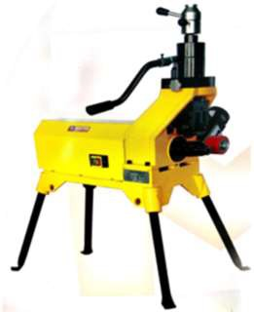 | MT-40100 | ROLL GROOVER 2"-12" INCL PIPE SUPPORT 750W | MASTER TOOLS | TOOLS
 | MT-40101 | ROLL GROOVER 2"-12" WITH SQ50D INCL PIPE SUPPORT 1500W | MASTER TOOLS | TOOLS
 | MT-40102 | GROOVER 2-12" INCL STAND, 220V 1000W | MASTER TOOLS | TOOLS
 | MT-46200 | ELECTROFUSION WELDING MACHINE 200mm INCL SCANNER | MASTER TOOLS | TOOLS
 | MT-46355 | ELECTROFUSION WELDING MACHINE 315mm INCL SCANNER | MASTER TOOLS | TOOLS
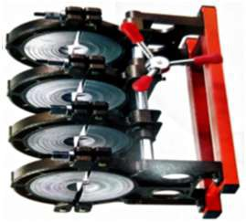 | MT-47160 | MANUAL BUTT FUSION W.MACHINE 63- 160mm INCL HEATER&TRIMMER | MASTER TOOLS | TOOLS
 | MT-47200 | MANUAL BUTT FUSION W.MACHINE 90- 200mm INCL HEATER&TRIMMER | MASTER TOOLS | TOOLS
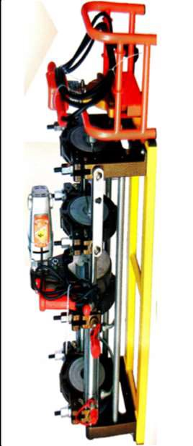 | MT-47161 | HYD BUTT FUSION W.MACHINE 63-160mm INCL HEATER&TRIMMER | MASTER TOOLS | TOOLS
 | MT-47250 | HYD BUTT FUSION W.MACHINE 90-250 INCL HEATER&TRIMMER | MASTER TOOLS | TOOLS
 | MT-47355 | HYD BUTT FUSION W.MACHINE 160-355MM INCL HEATER AND TIMMER | MASTER TOOLS | TOOLS
 | MT-47500 | HYD BUTT FUSION W.MACHINE 280-500 INCL HEATER AND TIMMER | MASTER TOOLS | TOOLS
 | MT-47630 | HYD BUTT FUSION W. MACHIN 280-630mm INCL TRIMMER AND HEATER | MASTER TOOLS | TOOLS
 | MT-48160 | HEATING PLATE FOR HLY-160 | MASTER TOOLS | TOOLS
 | MT-48250 | HEATING PLATE FOR HLY-250 | MASTER TOOLS | TOOLS
 | MT-48355 | HEATING PLATE FOR HLY-355 | MASTER TOOLS | TOOLS
 | MT-47000 | CLAMP INSERT 50MM | MASTER TOOLS | TOOLS
 | MT-47001 | CLAMP INSERT 63MM | MASTER TOOLS | TOOLS
 | MT-45022 | TUBE BENDER SET 6-22mm 1/4"-7/8" (HHW- 22) | MASTER TOOLS | TOOLS
 | MT-45023 | TUBE BENDER SET 6-22mm 1/4"-7/8" (HHW- 22A) | MASTER TOOLS | TOOLS
 | MT-41106 | H.D. ALUM TRI-STAND WITH 6" CHAIN VICE (H401) | MASTER TOOLS | TOOLS
 | MT-41000 | V HEAD PIPE SUPPORT STAND W/OUT BEARING (1107) | MASTER TOOLS | TOOLS
 | MT-41010 | "A" TYPE BALL TRANSFER HEAD SINGLE BEARING SET 2 PCS | MASTER TOOLS | TOOLS
 | MT-41020 | "B" TYPE BALL TRANSFER HEAD DOUBLE BEARING SET 2 PCS | MASTER TOOLS | TOOLS
 | MT-45100 | KNOCKOUT PUNCH (ANGLE TYPE) 16-51mm | MASTER TOOLS | TOOLS

